Sheet1
JAVA STRUTS
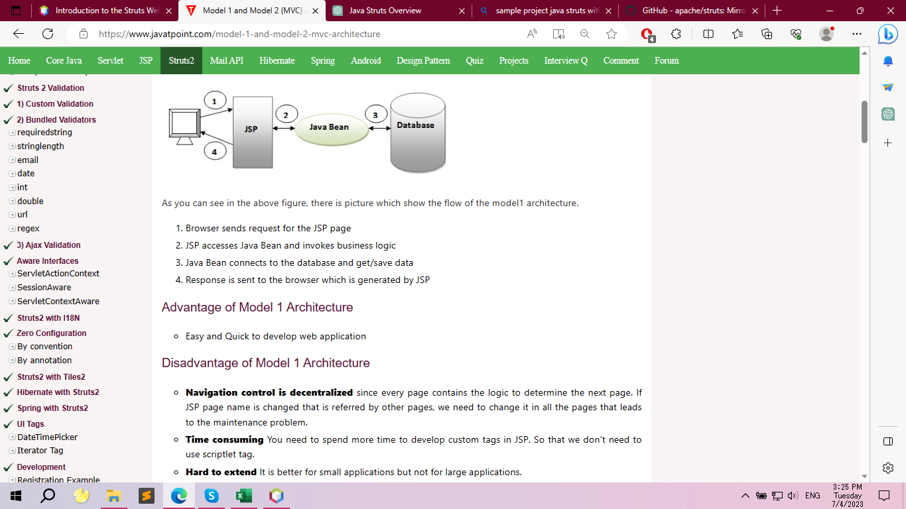

Features
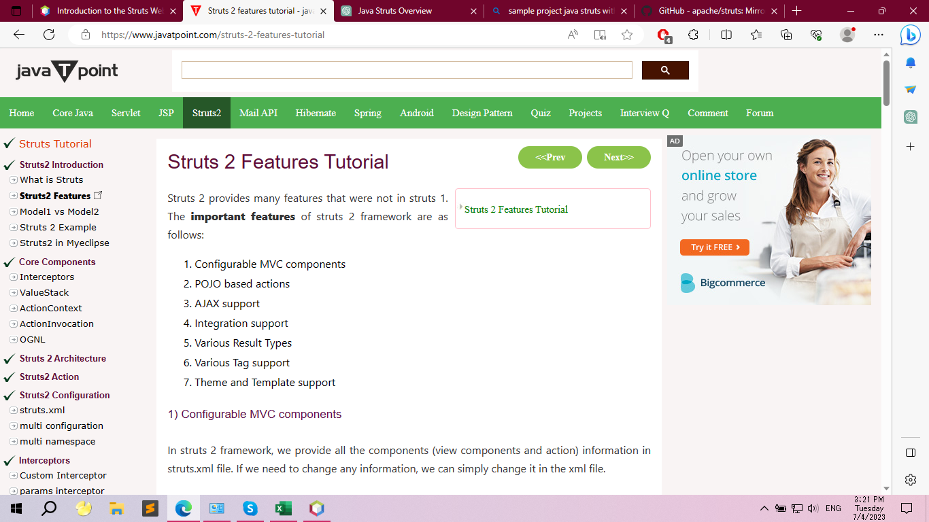

MVC Architecture

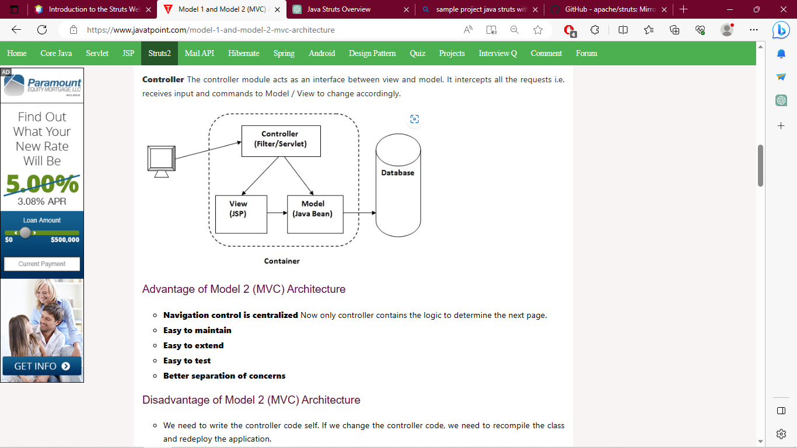

Steps to create Struts 2 Application

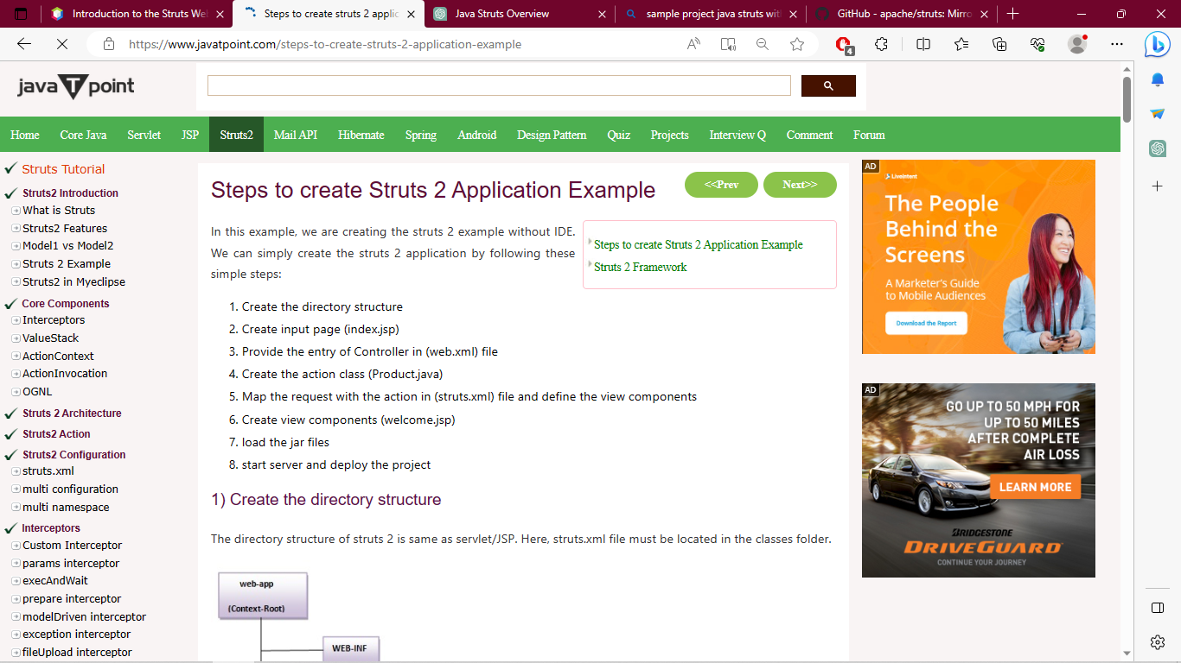

1 | Structs is Mainly Concerned with View And Controller Part
2 | For Model Spring and Hibernate Frameworks has been used
3 | UI Maintenance is Simple

view |  | Controller
Validation | HTML | Servlets
Javascript | HTML-5 | JSP
Jquery | JSP | Tags
Form: | Custom Tags
NodeJs | Adobe Flex
AngularJs | Styles:
Bootstrap | CSS,CSS3

 | Struts 2
 | AJAX Support
 | Annotations Support
 | ONGL(Object Graph Notation Language) Support
 | Interceptors

 | Pull-MVC is Struct2 special feature not available in other frameworks

